AHP
Prioritised Parameters based on AHP Pairwise Comparison |  |  |  |  |  | Weights based on principal eigenvector of decision matrix
Category | Parameter | Priority (%) | Rank | (+) | (-) |  | 1 | 2 | 3 | 4 | 5 | 6 | 7 | 8
1 | Varieties of Solid Geometry Grasped | 3% | 7 | 1.00% | 1.00% | 1 | 1 | 2 | 0.14 | 0.14 | 0.5 | 0.11 | 0.14 | 0.14
2 | Speed of Grasp | 2% | 8 | 0.80% | 0.80% | 2 | 0.5 | 1 | 0.2 | 0.2 | 0.5 | 0.11 | 0.14 | 0.14
3 | Volume of Object Enclosed | 10% | 5 | 3.40% | 3.40% | 3 | 7 | 5 | 1 | 1 | 3 | 0.2 | 0.5 | 0.5
4 | Surface Area of Object Enclosed | 15% | 3 | 4.50% | 4.50% | 4 | 7 | 5 | 1 | 1 | 7 | 0.33 | 1 | 1
5 | Ability to Grasp Deformable Solids | 4% | 6 | 1.00% | 1.00% | 5 | 2 | 2 | 0.33 | 0.14 | 1 | 0.14 | 0.2 | 0.2
6 | Capability to Maintain Surface Integrity | 35% | 1 | 12.40% | 12.40% | 6 | 9 | 9 | 5 | 3 | 7 | 1 | 3 | 3
7 | Cost of Implementation | 15% | 4 | 3.60% | 3.60% | 7 | 7 | 7 | 2 | 1 | 5 | 0.33 | 1 | 0.5
8 | Time of Implementation | 17% | 2 | 4.90% | 4.90% | 8 | 7 | 7 | 2 | 1 | 5 | 0.33 | 2 | 1
Consolidated Result
 | Number of comparisons = 28
 | Consistency Ratio CR = 3.7%
 | Principal eigen value = 8.364
 | Eigenvector solution: 5 iterations, delta = 4.7E-8
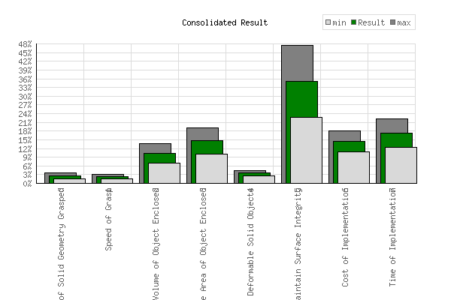

 |  |  |  |  |  |  |  |  |  |  |  |  |  |  | Ra

Feasibility Analysis
Rated Grasp Strategy Feasibility Analysis
 | Cylindrical Grasp
Cylindrical Grasp | 2.719
Spherical Grasp | 2.368
Pinch Grasp | 3.106
Tripod Grasp | 2.723
Enveloping Grasp | 2.762
Hook Grasp | 2.383
Conformal Grasp | 2.623
Tenting Grasp | 2.825
Fingertip Grasp | 2.349
Continuum Grasp | 1.884
Jamming Grasp | 4
Pneumatic Grasp | 2.62
Adhesive Grasp | 2.616
Ranked Grasp Strategy Feasibility Analysis
Cylindrical Grasp | 6.677
Spherical Grasp | 6.694
Pinch Grasp | 8.891
Tripod Grasp | 6.994
Enveloping Grasp | 7.398
Hook Grasp | 6.448
Conformal Grasp | 5.989
Tenting Grasp | 7.667
Fingertip Grasp | 5.92
Continuum Grasp | 7.554
Jamming Grasp | 8.238
Pneumatic Grasp | 5.684
Adhesive Grasp | 6.937

